project
No. | TEST SCENARIO | PREREQUISITE | Case | DESCRIPTION | CASE TYPE | STEP SCENARIO | EXPECTED RESULT (Apa yang diinginkan seharusnya) | SCREEN CAPTURE | STATUS MOBILE | STATUS DESKTOP | TESTER | TEST DATE | TID | Note
1 | Register validation | User clicked 'Register' menu on the main page (Pengguna mengklik menu 'Daftar' di halaman utama) | Entered the wrong email format (Memasukkan format email yang salah) | This task is used by the user to register an account (Tugas ini digunakan oleh pengguna untuk mendaftar dan Akun) | NEGATIVE | 1. User browse the website ( Pengguna menelusuri situs web) 2. User selects 'Register' ( Pengguna memilih 'Daftar') 3. User enters the wrong email format (Pengguna memasukkan format email yang salah) 4. User clicks 'Register' button ( Pengguna mengklik tombol 'Daftar') | Email field shown an error message that showing to enter a valid email address ( Bidang email menampilkan pesan kesalahan yang menunjukkan untuk memasukkan alamat email yang valid) |  |  |  | My Self |  | TC#1 | PASS (Jika berhasil)
 |  | User clicked 'Register' menu on the main page (Pengguna mengklik menu 'Daftar' di halaman utama) | Entered the email username with characters or letters that are less than 6 ( Masukkan nama pengguna email dengan karakter atau huruf yang kurang dari 6) | This task is used by the user to register an account (Tugas ini digunakan oleh pengguna untuk mendaftar dan Akun) | NEGATIVE | 1. User browse the website 2. User selects 'Register' 3. User enters the email username with a number of characters or letters only 1 ( Pengguna memasukkan nama pengguna email dengan jumlah karakter atau huruf saja 1) 4. User clicks 'Register' button | Email field shown an error message that showing to enter an email username that has a minimum number of characters are 6 (Bidang email menampilkan pesan kesalahan yang menunjukkan untuk memasukkan nama pengguna email yang memiliki jumlah karakter minimal 6) |  |  |  | My Self |  | TC#2 | FAIL
 |  | User clicked 'Register' menu on the main page (Pengguna mengklik menu 'Daftar' di halaman utama) | Entered the correct email format with the correct number of characters or letters (Masukkan format email yang benar dengan jumlah karakter atau huruf yang benar) | This task is used by the user to register an account (Tugas ini digunakan oleh pengguna untuk mendaftar dan Akun) | POSITIVE | 1. User browse the website 2. User selects 'Register' 3. User enters the corret email format with the correct number of characters 4. User clicks 'Register' button | Direct to page "form of the personal data" ( Langsung ke halaman "bentuk pribadi data") |  |  |  | My Self |  | TC#3 | PASS
 |  | User clicked 'Register' menu on the main page Condition: correct email format and number of characters ( Pengguna mengklik menu 'Daftar' di halaman utama Kondisi: format email dan jumlah karakter yang benar) | Leave all fields and leave one or more fields to empty ( Tinggalkan semua bidang dan biarkan satu atau lebih bidang kosong) | This task is used by the user to complete personal data (Tugas ini digunakan oleh pengguna untuk melengkapi data pribadi) | NEGATIVE | 1. User browse the website 2. User selects 'Register' 3. User enters the corret email format with the correct number of characters (Pengguna memasukkan format email yang benar dengan jumlah karakter yang benar) 4. User direct to 'form of personal data' (Pengguna langsung ke 'bentuk data pribadi') 5. User fills all of the fields except address field ( Pengguna mengisi semua bidang kecuali bidang alamat) 6. User leaves address field empty (Pengguna membiarkan bidang alamat kosong) 7. User clicks 'Register' button | Address field shown an error message that showing to enter a valid address (Bidang alamat menampilkan pesan kesalahan yang menunjukkan untuk memasukkan alamat yang valid) |  |  |  | My Self |  | TC#4 | PASS
 |  | User clicked 'Register' menu on the main page Condition: correct email format and number of characters ( Pengguna mengklik menu 'Daftar' di halaman utama Kondisi: format email dan jumlah karakter yang benar) | Entered the wrong phone number format (Memasukkan format nomor telepon yang salah) | This task is used by the user to complete personal data (Tugas ini digunakan oleh pengguna untuk melengkapi data pribadi) | NEGATIVE | 1. User browse the website 2. User selects 'Register' 3. User enters the corret email format with the correct number of characters 4. User direct to 'form of personal data' 5. User fills all of the fields 5. User enters the wrong phone number format 6. User clicks 'Register' button | Address field shown an error message that showing to enter a valid phone number (Bidang alamat menampilkan pesan kesalahan yang menunjukkan untuk memasukkan nomor telepon yang valid) |  |  |  | My Self |  | TC#5 | PASS
 |  | User clicked 'Register' menu on the main page Condition: correct email format and number of characters ( Pengguna mengklik menu 'Daftar' di halaman utama Kondisi: format email dan jumlah karakter yang benar) | Filled all the field personal data with the correct format (Isi semua data pribadi bidang dengan format yang benar) | This task is used by the user to complete personal data (Tugas ini digunakan oleh pengguna untuk melengkapi data pribadi) | POSITIVE | 1. User browse the website 2. User select 'Register' 3. User enters the corret email format with the correct number of characters 4. User direct to 'form of personal data' 5. User enters the correct format for all of the fields 6. User clicks 'Register' button | Direct to page "registration success" and showing a message to check the email for verification process (Langsung ke halaman "registrasi sukses" dan tampilkan pesan untuk mengecek email untuk proses verifikasi) |  |  |  | My Self |  | TC#6 | PASS
2 | Login validation | User clicked 'Login' menu on the main page, user already registered (Pengguna mengklik Menu 'Login' di halaman utama, pengguna sudah terdaftar) | Entered the wrong email format (Memasukkan format email yang salah) | This task is used by the user to login to the system ( Tugas ini digunakan oleh pengguna untuk masuk ke sistem) | NEGATIVE | 1. User browse the website 2. User selects 'Login' 3. User enters the wrong email format 4. User enters the password 5. User clicks 'Login' button | Email field shown an error message that showing to enter a valid email address ( Bidang email menampilkan pesan kesalahan yang menunjukkan untuk memasukkan alamat email yang valid) |  |  |  | My Self |  | TC#7 | PASS
 |  | User clicked 'Login' menu on the main page, user already registered (Pengguna mengklik Menu 'Login' di halaman utama, pengguna sudah terdaftar) | Leave both email and password to empty (Biarkan email dan kata sandi kosong) | This task is used by the user to login to the system ( Tugas ini digunakan oleh pengguna untuk masuk ke sistem) | NEGATIVE | 1. User browse the website 2. User selects 'Login' 3. User not fill the email and password field 4. User clicks 'Login' button | Email field shown an error message that showing to enter a valid email address and enter the password (Bidang email menampilkan pesan kesalahan yang menunjukkan untuk memasukkan alamat email yang valid dan memasukkan kata sandi) |  |  |  | My Self |  | TC#8 | PASS
 |  | User clicked 'Login' menu on the main page, user already registered (Pengguna mengklik Menu 'Login' di halaman utama, pengguna sudah terdaftar) | Entered the correct email but leaving the password to empty (Entered the correct email but leaving the password to empty) | This task is used by the user to login to the system ( Tugas ini digunakan oleh pengguna untuk masuk ke sistem) | NEGATIVE | 1. User browse the website 2. User selects 'Login' 3. User enters the correct email format 4. User leave the password field empty 5. User clicks 'Login' button | Password field shown an error message that showing to enter a password (Bidang kata sandi menunjukkan pesan kesalahan yang menunjukkan untuk memasukkan kata sandi) |  |  |  | My Self |  | TC#9 | FAIL
 |  | User clicked 'Login' menu on the main page, user already registered(Pengguna mengklik Menu 'Login' di halaman utama, pengguna sudah terdaftar) | Entered the correct password but leaving the email to empty (Memasukkan kata sandi yang benar tetapi membiarkan email kosong) | This task is used by the user to login to the system(Tugas ini digunakan oleh pengguna untuk masuk ke sistem) | NEGATIVE | 1. User browse the website 2. User selects 'Login' 3. User leave the email field empty 4. User enters the correct password 5. User clicks 'Login' button | Email field shown an error message that showing to enter a a valid email address(Bidang email menunjukkan pesan kesalahan yang muncul untuk memasukkan alamat email yang valid) |  |  |  | My Self |  | TC#10 | PASS
 |  | User clicked 'Login' menu on the main page, user already registered(Pengguna mengklik Menu 'Login' di halaman utama, pengguna sudah terdaftar) | Entered the wrong email and/or password (Memasukkan email dan/atau kata sandi yang salah) | This task is used by the user to login to the system ( Tugas ini digunakan oleh pengguna untuk masuk ke sistem) | NEGATIVE | 1. User browse the website 2. User selects 'Login' 3. User enters the wrong email 4. Users enters the wrong password 5. User clicks 'Login' button | Login page shown an error message that showing the email and password are wrong (Halaman login menunjukkan pesan kesalahan yang menunjukkan email dan kata sandi salah) |  |  |  | My Self |  | TC#11 | PASS
 |  | User clicked 'Login' menu on the main page, user already registered(Pengguna mengklik Menu 'Login' di halaman utama, pengguna sudah terdaftar) | Entered the correct email and password (Masukkan email yang benar dan kata sandi) | This task is used by the user to login to the system ( Tugas ini digunakan oleh pengguna untuk masuk ke sistem) | POSITIVE | 1. User browse the website 2. User selects 'Login' 3. User enters the correct email 4. User enters the correct password 5. User clicks 'Login' button | Direct to page "dashboard" of system(Langsung ke halaman "dasbor" sistem) |  |  |  | My Self |  | TC#12 | PASS
3 | Article Search | User login to the system | Search for articles using keywords | This task is used by the user to search the article that is needed | POSITIVE | 1. User login to the system 2. User clicks 'Search' icon 3. User enters the keywords for the articles 4. User presses the enter key on the keyboard | Web page displays articles that contain keywords entered by the user | 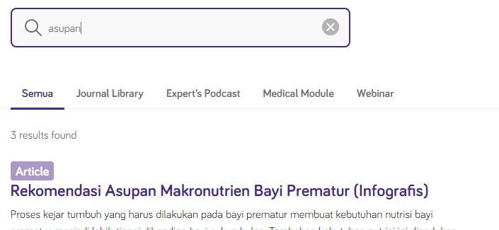 |  |  | My Self |  | TC#13 | PASS
4 | Journal library | User login to the system | Read the journal | This task is used by the user to read the journal | POSITIVE | 1. User login to the system 2. User clicks 'General Info' menu 3. User clicks 'Journal Library' submenu 4. User clicks on the title of the journal that is want to read 5. User read the description of journal 5. User clicks 'Baca Journal' button | Direct to link of the journal |  |  |  | My Self |  | TC#14 | PASS
 |  | User login to the system | Download the journal file | This task is used by the user to download the journal | POSITIVE | 1. User login to the system 2. User clicks 'General Info' menu 3. User clicks 'Journal Library' submenu 4. User clicks on the title of the journal that is want to read 5. User read the description of journal 5. User clicks 'Baca Journal' button 6. User clicks 'Download PDF' button | PDF file downloaded |  |  |  | My Self |  | TC#15 | PASS
5 | Fibre Intake Calculator | User login to the system | Entered the patient's date of birth under 1 year | This task is used by the user to calculate patient nutrition | NEGATIVE | 1. User login to the system 2. User clicks 'Stand by You' menu 3. User clicks 'Fibre Intake Calculator' submenu 4. User clicks 'Mulai' button 5. User enters the patient's date birth 6. User clicks 'Selanjutnya' button | There is an error message showing that this feature is only for children over 1 year old | 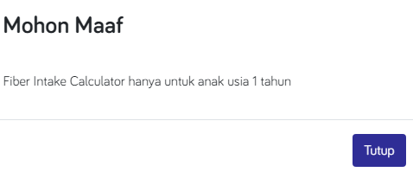 |  |  | My Self |  | TC#16 | FAIL There is a word error in the error message
 |  | User login to the system | Entered the patient's date of birth over 1 year | This task is used by the user to calculate patient nutrition | POSITIVE | 1. User login to the system 2. User clicks 'Stand by You' menu 3. User clicks 'Fibre Intake Calculator' submenu 4. User clicks 'Mulai' button 5. User enters the patient's date birth 6. User clicks 'Selanjutnya' button | Direct to page "form of the patient's food menu" |  |  |  | My Self |  | TC#17 | PASS
 |  | User login to the system Condition: correct patient date of birth | Leave all fields and leave one or more fields to empty | This task is used by the user to calculate patient nutrition | NEGATIVE | 1. User login to the system 2. User clicks 'Stand by You' menu 3. User clicks 'Fibre Intake Calculator' submenu 4. User clicks 'Mulai' button 5. User enters the patient's date birth 6. User clicks 'Selanjutnya' button 7. User only fills 1 field only 8. User clicks 'Hitung Nutrisi' button | In each empty field there is an error message that showing to fill the field | 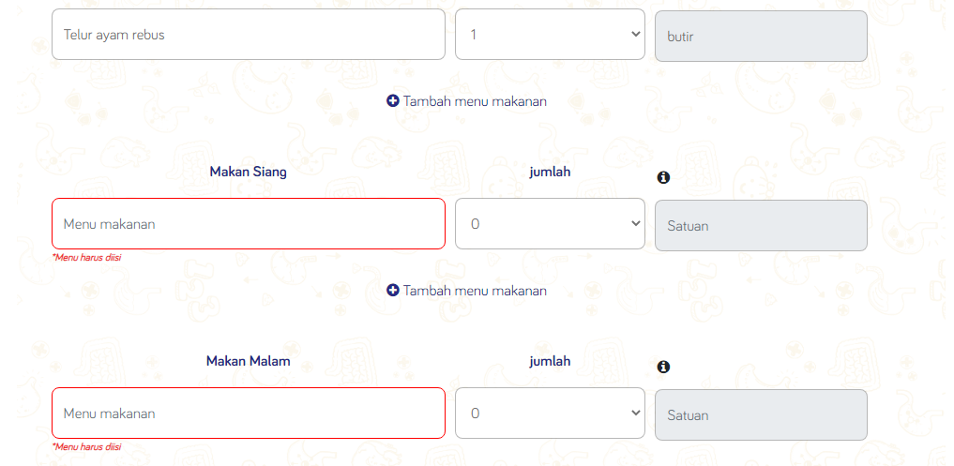 |  |  | My Self |  | TC#18 | PASS
 |  | User login to the system Condition: correct patient date of birth | Filled all the field of the patient's food menu | This task is used by the user to calculate patient nutrition | POSITIVE | 1. User login to the system 2. User clicks 'Stand by You' menu 3. User clicks 'Fibre Intake Calculator' submenu 4. User clicks 'Mulai' button 5. User enters the patient's date birth 6. User clicks 'Selanjutnya' button 7. User fills all of the field 8. User clicks 'Hitung Nutrisi' button | Web page displays the patient's food nutrition results | 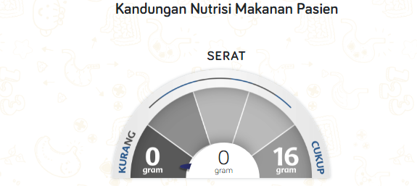 |  |  | My Self |  | TC#19 | PASS
 |  | User login to the system Condition: correct patient date of birth | Calculate food nutrition again | This task is used by the user to calculate patient nutrition again after calculate the patient nutrion | POSITIVE | 1. User login to the system 2. User clicks 'Stand by You' menu 3. User clicks 'Fibre Intake Calculator' submenu 4. User clicks 'Mulai' button 5. User enters the patient's date birth 6. User clicks 'Selanjutnya' button 7. User fills all of the field 8. User clicks 'Hitung Nutrisi' button 9. User read the patient's food nutrition results 10. User clicks 'Hitung Nutrisi Lagi' button | Direct to main page of fiber intake calculator | 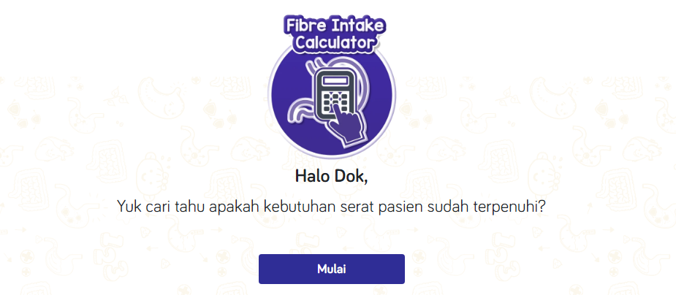 |  |  | My Self |  | TC#20 | PASS
 |  | User login to the system Condition: correct patient date of birth | Download the patient's food nutrition results | This task is used by the user to downlaod the patient's food nutrition results | POSITIVE | 1. User login to the system 2. User clicks 'Stand by You' menu 3. User clicks 'Fibre Intake Calculator' submenu 4. User clicks 'Mulai' button 5. User enters the patient's date birth 6. User clicks 'Selanjutnya' button 7. User fills all of the field 8. User clicks 'Hitung Nutrisi' button 9. User read the patient's food nutrition results 10. User clicks 'Unduh Hasil Fibre Intake Calculator' button 12. User clicks 'Save' button 13. User selects the storage destination on the computer | Pdf file is stored in the computer directory | 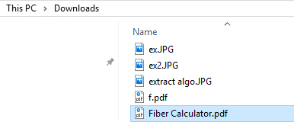 |  |  | My Self |  | TC#21 | PASS
6 | Iron Screener | User login to the system | Leave all fields and leave one field to empty | This task is used by the user to identify the condition of the patient's iron adequacy | NEGATIVE | 1. User login to the system 2. User clicks 'Stand by You' menu 3. User clicks 'Iron Screener' submenu 4. User clicks 'Cek Sekarang' button 5. User enters full name of the patient's 6. User leave the patient's age field empty 7. User clicks 'Selanjutnya' button | Patient's age shown an error message that showing to choose the age | 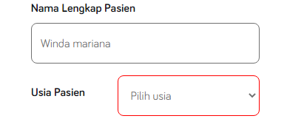 |  |  | My Self |  | TC#22 | FAIL
 |  | User login to the system | Filled all the field of patient's data | This task is used by the user to identify the condition of the patient's iron adequacy | POSITIVE | 1. User login to the system 2. User clicks 'Stand by You' menu 3. User clicks 'Iron Screener' submenu 4. User clicks 'Cek Sekarang' button 5. User enters full name of the patient's 6. User choose the patient's age 7. User clicks 'Selanjutnya' button | Direct to page of the question | 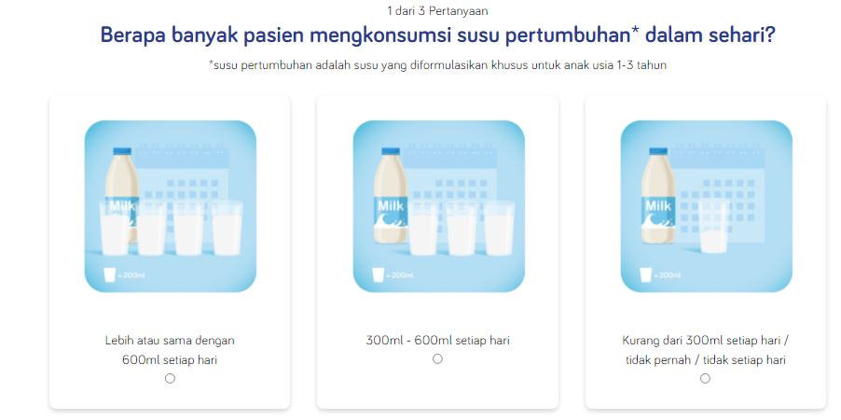 |  |  | My Self |  | TC#23 | PASS
 |  | User login to the system Condition: user answer all of the question | Download the patient's iron adequacy result | This task is used by the user to download the patient's iron adequacy result | POSITIVE | 1. User login to the system 2. User clicks 'Stand by You' menu 3. User clicks 'Iron Screener' submenu 4. User clicks 'Cek Sekarang' button 5. User enters full name of the patient's 6. User choose the patient's age 7. User clicks 'Selanjutnya' button 8. User answers all of the question 9. User clicks 'Print Hasil' button 10. User clicks 'Save' button 11. User selects the storage destination on the computer | Pdf file is stored in the computer directory |  |  |  | My Self |  | TC#24 | PASS
 |  | User login to the system Condition: user answer all of the question | Back to the screener | This task is used by the user to back to the main page of screener | POSITIVE | 1. User login to the system 2. User clicks 'Stand by You' menu 3. User clicks 'Iron Screener' submenu 4. User clicks 'Cek Sekarang' button 5. User enters full name of the patient's 6. User choose the patient's age 7. User clicks 'Selanjutnya' button 8. User answers all of the question 9. User clicks 'Kembali ke Screener' button | Direct to main page of iron screener |  |  |  | My Self |  | TC#25 | PASS
7 | Edit Profile | User login to the system | Leave all fields and leave one or more fields to empty | This task is used by the user to edit the profile | NEGATIVE | 1. User login to the system 2. User clicks 'Profil (name)' menu 3. User clicks 'My Dashboard' submenu 4. User clicks 'Edit Profil' button 5. User fills all of the fields of personal data except name with degree field 6. User clicks 'Save Changes' button | There is an error message that showing to enter the name with degree | 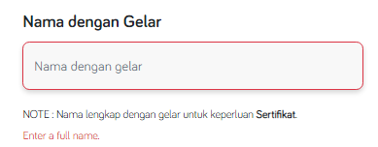 |  |  | My Self |  | TC#26 | PASS
 |  | User login to the system | Filled all the field of personal data | This task is used by the user to edit the profile | POSITIVE | 1. User login to the system 2. User clicks 'Profil (name)' menu 3. User clicks 'My Dashboard' submenu 4. User clicks 'Edit Profil' button 5. User fills all of the fields of personal data 6. User clicks 'Save Changes' button | Updated data is stored in the system |  |  |  |  |  | TC#27 | PASS
8 | Sign Out | User login to the system | Logout from the system | This task is used by the user to logout from the system | POSITIVE | 1. User login to the system 2. User clicks 'Profil (name)' menu 3. User clicks 'Sign Out' submenu | Logout from the system and direct to page of login |  |  |  | My Self |  | TC#28 | PASS

2 | Register | User berada pada Halaman Register | Memasukkan email dengan format yang salah | Menu ini digunakan untuk mendaftar akun pada website | NEGATIVE | 1. user memasukkan format emai yang salah 2. user mengklik tombol 'Register' | Website menampilkan eror 'Enter a valid email address' |  |  |  |  |  |  | PASS
 |  | User berada pada Halaman Register | Tidak mengisi field email | Menu ini digunakan untuk mendaftar akun pada website | NEGATIVE | 1. user tidak mengisi field email 2. user mengklik tombol 'Register' | Website menampilkan eror 'Enter a valid email address' |  |  |  |  |  |  | PASS
 |  | User berada pada Halaman Register | Memasukkan email dengan format yang benar | Menu ini digunakan untuk mendaftar akun pada website | POSITIVE | 1. user mengisi field email dengan format yang benar 2. user mengklik tombol 'Register' | Website meneruskan user ke form pendaftaran
3 | Login | User berada pada Halaman login | Memasukkan email dan password yang benar | Menu ini digunakan oleh user untuk dapat masuk ke dalam website | POSITIVE | 1. user membuka website 2. user mengklik menu 'Login' 3. user memasukkan email yang benar 4. user memasukkan password yang benar 5. user mengklik tombol 'Login' | User dapat mengakses website secara keseluruhan

